Task
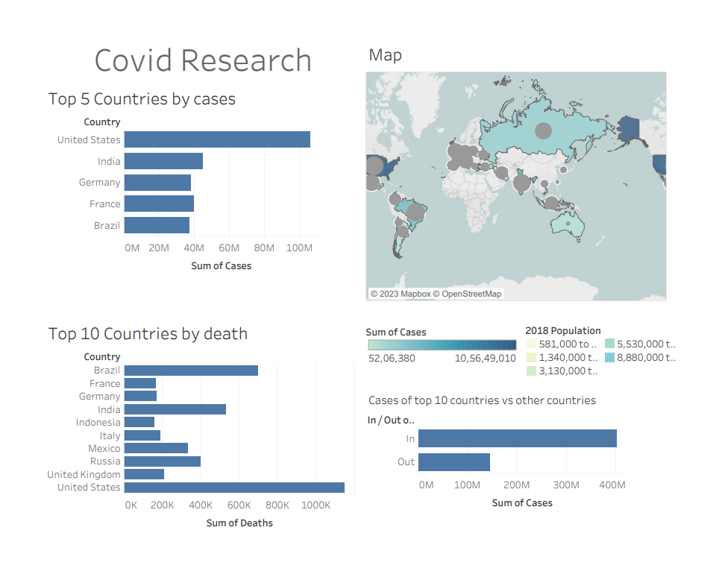
 | Create a Dashboard and Story in Tableau You will create a cohesive dashboard that showcases the data from various exercises completed for different companies. Instructions: Combine Previous Tasks: Gather the data and visualizations you created for specific companies Create Multiple Charts: Use Tableau to create individual charts for each company's data, focusing on different aspects. Build a Dashboard: Combine the charts into a single dashboard. Ensure that the layout is organized and easy to understand. Create a Story: Use Tableau's story feature to narrate the insights derived from your dashboard. Highlight key findings and how they relate to the overall data.

Your Output Look like below

